BC & SC Archit.
 | Blockchain protocols

Specifications Related to Blockchain Only | Layer 0

 | Description |  | Stakeholders |  | Decision Mechanism
 | For the blockchain network to operate, hardware components such as computers, servers, mobile devices, and other physical components are required. |  | Stakeholders who provide the physical infrastructure for the blockchain network, such as servers, data centers, and energy resources. |  | Decisions at this layer are related to the architecture of the blockchain which can be referred to as architecture decisions. The choice made by architects or other stakeholders has a significant impact on the design and structure of the blockchain, which is usually made early in the development process and has a significant impact on its quality, maintainability, and performance.

 | Examples: Bitcoin, Ethereum, Polkadot, Avalanche, or Cardano

 | Layer 1

 | Description |  | Stakeholders |  | Decision Mechanism
 | It consists of the protocols or architecture that govern the operation of the blockchain network such as resolving disputes, consensus mechanisms protocols, and constraints. It also validates and finalizes transactions on its own. At Layer 1, blockchains have their own native token, known as a coin, which is used to pay transaction fees and gas fees. |  | Node Operators, Developers, Miners or Validators, blockchain users, Community Members |  | consensus mechanism such as PoW, or PoS, Decentralized Autonomous Organization (DAO), resolving disputes; Decisions made include upgrades to the network, rewards are offered to validators and miners, changes to transaction fees, changes to the consensus mechanism

 | Examples: Bitcoin's Proof-of-Work consensus mechanism, Ethereum's Proof-of-Stake consensus mechanism

 | Layer 2

 | Description |  | Stakeholders |  | Decision Mechanism
 | It is also known as the execution layer of the Blockchain. Layer 1 was experiencing limitations with respect to scalability and, as a result, throughput, leading to the introduction of layer 2. By computing transactions off-chain, it can help solve the scalability problems of Layer 1. This allows third-party or off-chain solutions on Layer 2 to be integrated with Layer 1. By sitting on top of Layer 1 and exchanging information with it, Layer 2 extends Layer 1's capabilities. |  | developers, blockcchain users, validators, token holders, and stakeholders who participate in decision such as voting |  | Governance decisions which can be used to make decisions about changes to the protocol, upgrades, and other important decisions. Smart contracts can be used to automate decision-making in layer 2 protocols. Off-chain protocols and dispute resolution. Consensus mechanisms. Upgrades would typically require approval from the network | Layer 2 solutions are typically implemented through smart contracts or other applications that interact with the main blockchain

Smart Contracts Application

 | Examples: Lightning Network deployed on Bitcoin blockchain or plasma on Ethereum.

Smart Contracts | Layer 3
 |  |  |  |  |  |  | Application and UI Layer
 | Description |  | Stakeholders |  | Decision Mechanism
 | It is the application layer or user interface through which users interact with the Blockchain using dApps. This layer hosts DApps and smart contracts that permit users to access other applications on the Blockchain. |  | Dapps users, Dapps developers, Dapps governance participants related to smart contracts, service providers such as oracles, Dapp external entities, and regulators |  | Governance decisions which can be used to make decisions about changes to the protocol, upgrades, and other important decisions. Smart contracts can be used to automate decision-making in layer 2 protocols. Off-chain protocols and dispute resolution. Consensus mechanisms. Upgrades would typically require approval from the network |  | The application layer encapsulates all the application domains and the user interface. Generally speaking, smart contracts can be used in any industry, such as finance, IoT, healthcare, supply chain management, etc. Additionally, this layer provides a user-friendly interface for interacting with the smart contract, which may include web interfaces, mobile apps, or other software tools.

 |  |  |  |  |  |  | IoT | healthcare |  | finance | supply chain | web interfaces |  | mobile apps

 |  |  |  |  |  |  | Operation Layer

 |  |  |  |  |  |  | The operation layer encompasses all dynamic operations such as formal verification, security analysis, maintenance, updates, and self-destruction. Before smart contracts are deployed onto the blockchain, formal verification and security analysis operations are used to ensure their correctness and security. After smart contracts are deployed on the blockchain, updates and maintenance are essential to ensuring that they function correctly, safely, and efficiently. At the end of the smart contracts’ life cycle or when a high-risk vulnerability occurs, self-destruction is performed in order to ensure network security.

 | Examples: Uniswap, Compound, and MakerDAO, wallets like Coinbase

 |  |  |  |  |  |  | formal verification, security analysis |  | Maintenance, Updates |  | dispute resolution |  | self-destruction

 |  |  |  |  |  |  | logic Layer

 |  |  |  |  |  |  | this layer includes all the rules about contract creation, execution, and communication. The design of a smart contract involves determining the contract terms, including legal provisions, business logics, and intention agreements. Then, programmers translate the contract terms into the program code, e.g., a series of If-Then-type. Additionally, interaction criteria should also be enacted in this layer in order to facilitate interactions between contracts and users (or contracts and contracts) such as access authority, or communication.

 | Blockchain Architecture Layers

 |  |  |  |  |  |  | application logic | business logic |  | legal provisions | Roles Definition | interaction criteria |  | Decision mechanism
Smart Contracts | Application Layer
 |  |  |  |  |  |  | Infrastructure Layer
 | Decentralized applications (dApps) and smart contracts interact with users through scripts, APIs, user interfaces, and frameworks. The protocols at this layer can be divided into two categories: application and execution layers. End-users communicate with the Blockchain network using programs located in the application layer. These programs then issue instructions to the execution layer, which executes transactions while preserving the deterministic nature of the Blockchain. |  |  | Dapps, smart contracts, chaincode, application functions
 |  |  |  |  |  |  | In the infrastructure layer, all the infrastructures that support smart contracts and their applications are encapsulated, including trusted execution environments (Blockchain), and trusted data feeds (Oracles).

 |  |  |  |  |  |  | Execution Environments (Blockchain) |  |  |  | Data Feeds (Oracles)

Specifications Related to Blockchain Only | Consensus Layer

 | it is responsible for authenticating transactions. Its main function is to implement a protocol that validates transactions based on a complex mathematical formula, which requires a certain number of nodes to validate the same transaction. If the Consensus layer fails to authenticate a transaction or does so incorrectly, the entire system will fail. Therefore, every transaction goes through a validation process that involves several nodes. Once the required number of nodes reaches the same conclusion and agrees on the legality of the transaction, it is validated, and a decision is made based on the consensus mechanism. |  |  | Proof of Work (PoW), Proof of Stake (PoS), Delegated Proof of Stake (DPoS), ‏Proof of elapsed time (PoET), Practical Byzantine Fault Tolerance (pBFT)

 | Network Layer

 | It also referred to as the P2P or propagation layer, facilitates inter-node communication within the Blockchain network. Transactions on the Blockchain are executed by nodes, and the P2P layer helps nodes in the network discover each other, enabling efficient and speedy inter-node communication. It allows multiple nodes to transmit transactions and reach a consensus on their validity. It is responsible for tasks such as block generation, node discovery, and block addition to the Blockchain network. |  |  | Pee-to-Peer(P2P)

 | Data Layer

 | It is responsible for the storage and organization of data on the Blockchain. It utilizes a linked list of blocks to arrange transactions, and when a certain number of transactions are authenticated by nodes, they are bundled together into a block. This block is then added to the Blockchain's linked list as a new block and linked to the previous block. Each block in the Blockchain contains the Merkle tree's root hash, along with the previous block's hash, timestamp, nonce, and block version number. Every transaction on the block is digitally signed with the sender's private key. Since this key is only accessible to the sender, the data cannot be tampered with by anyone else. |  |  | Transaction, hash, Merkle tree, digital signature

 | Infrastructure Layer

 | The infrastructure layer is the foundational layer of the blockchain network, consisting of both network and data servers. Data servers securely store the blockchain's data, while the network servers facilitate communication between nodes in the peer-to-peer (P2P) network. This P2P network architecture connects each node to every other node in the network, creating a decentralized system that is distributed across the globe. |  |  | virtual machine, Messaging, services, Mining rigs, Containers

 |  | https://shardeum.org/blog/what-are-blockchain-layers/
 |  | https://www.blockchain-council.org/blockchain/layers-of-blockchain-technology/
 |  | https://infrablok.com/exploring-the-different-layers-of-blockchain-technology/

Third Iteration
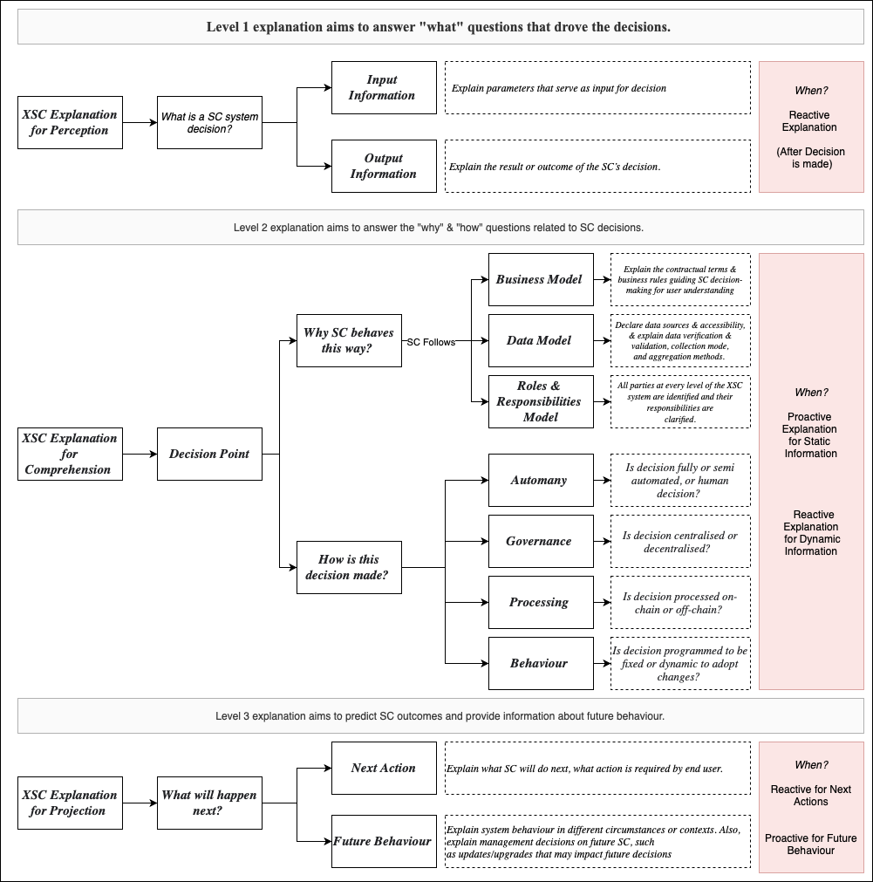
Third iteration of the framework before experts reviews

Final Iteration
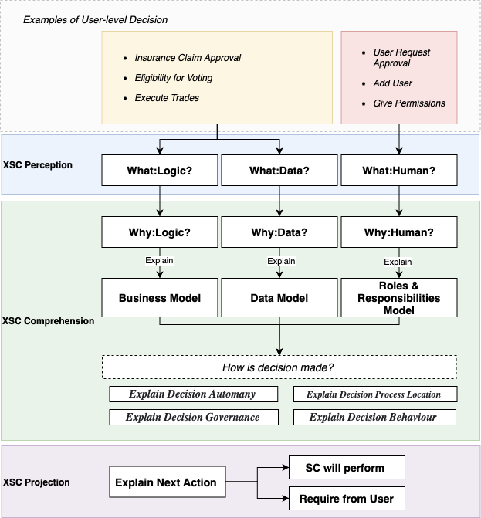
Final iteration of the framework after experts reviews

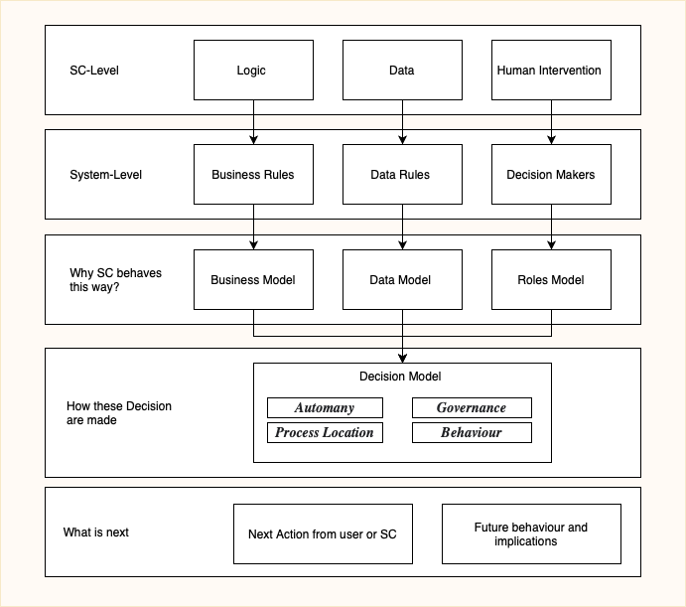

Example of Application for System Level Decision

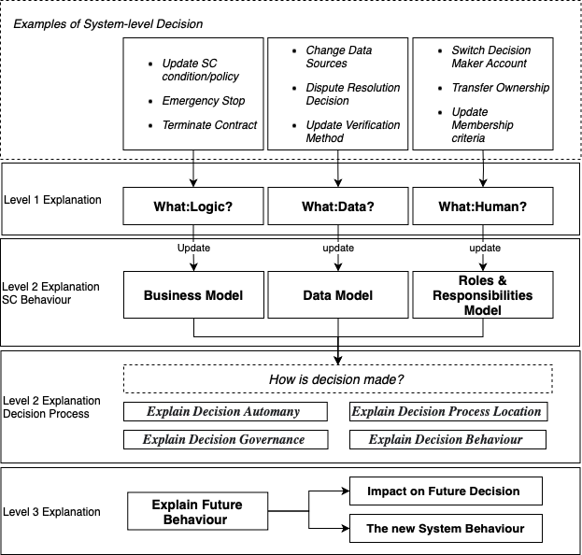

Example of Application for User Level Decision

